Instructions
How do I use this tool?

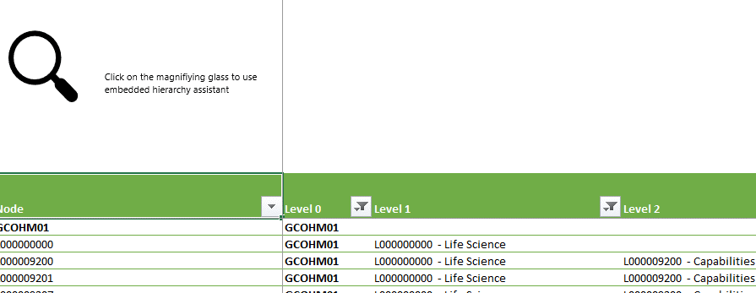

1. Click on the magnifying glass

2. Type on the textbox below the word "Node" words that would be in the node name of the node you'd like to focus on, i.e. Buildings etc.

Clicking on Go! Would fill up the listbox on the right with the possible matches for the word you entered. Select the node that you wish to focus on. If you can't find it there, that means
it is using another name. Try another word.

3. Once you select a node on the listbox, the tool will automatically filter the table to focus on that specific node, giving you info such as:
1. Immediate parent
2. Members (Children, grandchildren)
3. Level

Use these information to plan the hierarchy changes you would desire to request.

The process will be the same, input your changes per line on the right part of the worksheet
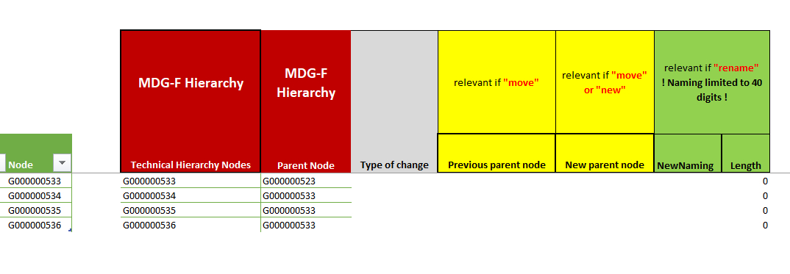

If you are to add a new node, just add in an aditional row in between the new node and its parent.
4. Once you're done with the changes, send the file back to MBS CO - Ronald Pierre Collado so we can communicate it to ZBB.

